Sheet1
 | Document No. |  | Issue No. | Issue Date |  | Review and Replace Date |  |  |  | Authorised By
 | GFF239MC |  | 1 | 06.11.2020 |  | New Issue |  |  |  | Magda Shah
 | Document Title |  | GARLIC BREADED MUSHROOMS & SOUR CREAM 240g
Document amendments reason for change | New Documentation |  |  |  | Page 1 of 1 |  | Previous Issue Date |  | New Issue | Uncontrolled copy unless signed original

CGMUC2-R6T |  | GAZEBO | GARLIC BREADED MUSHROOMS & SOUR CREAM 240g | CHILLED
STEP 1 |  |  | STEP 2 |  |  |  |  | STEP 3
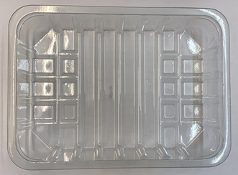 |  |  | 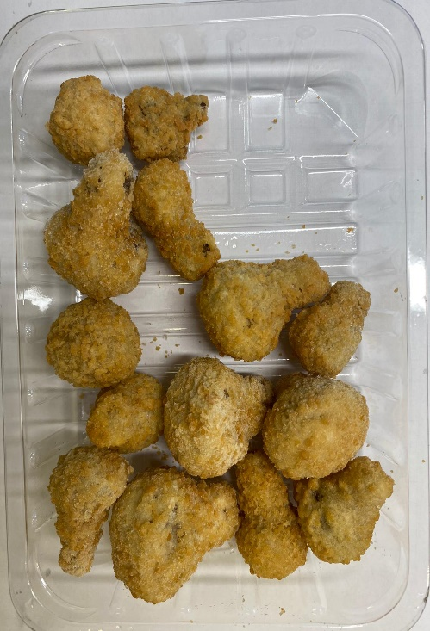 |  |  |  |  | 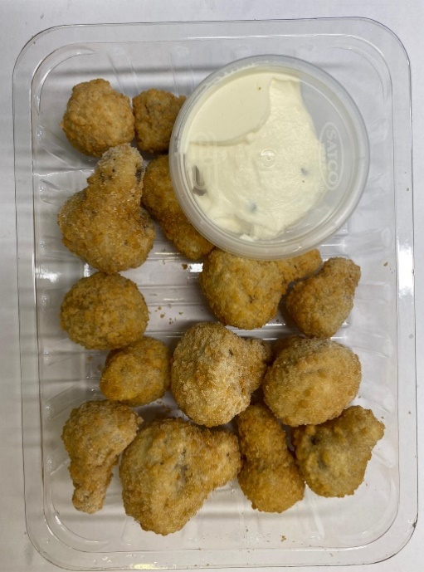

DO NOT FRY

Tray: SK4-Plain Clear (PKESS001-07) |  |  | Breaded Garlic Mushrooms (RMFOU001): 200g |  |  |  |  | Sour Cream with Chive (GFF227R): 40g
Line 2: ME410AFV2, 410mm wide x 1000m linear PET Antifog WELD seal (PKPRO001-12) |  |  |  |  |  |  |  | Satco 2oz Pots with Lids (PKJEN001-03)
TOTAL WEIGHT: 240g
ALLERGY ALERT: EGG, MILK, WHEAT

